Sheet1
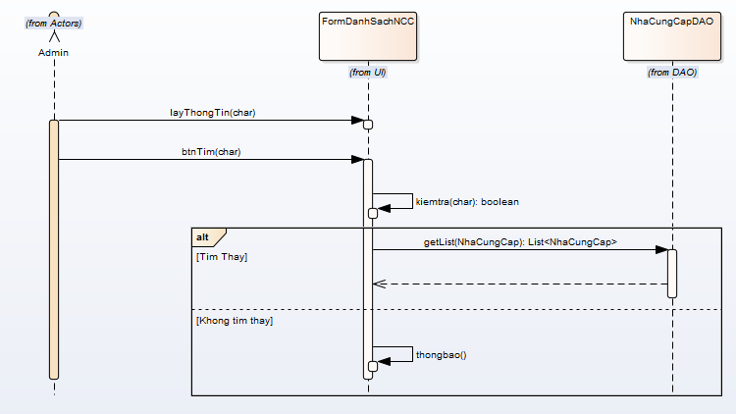
 | KH_HUE_L01_NguyenQuocHao_Quan Ly Nha Cung Cap_SequenceDiagram_v1.0

KH_HUE_L01_NguyenQuocHao_Danh Sach Nha Cung Cap_SequenceDiagram_v1.0

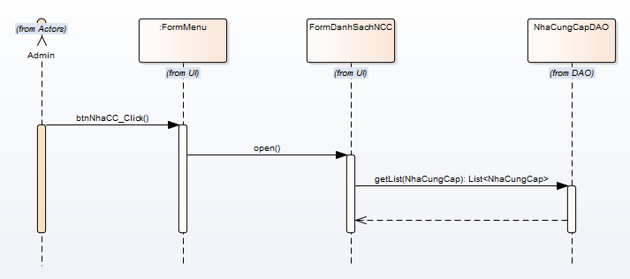

KH_HUE_L01_NguyenQuocHao_Them Nha Cung Cap_SequenceDiagram_v1.0

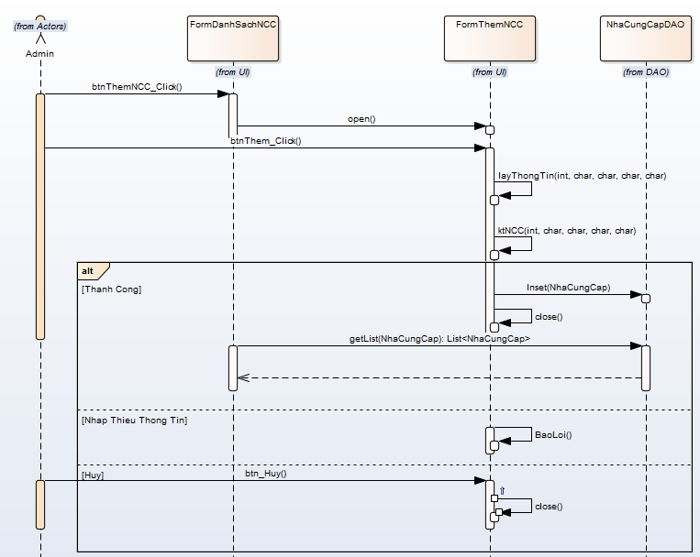

KH_HUE_L01_NguyenQuocHao_Sua Nha Cung Cap_SequenceDiagram_v1.0

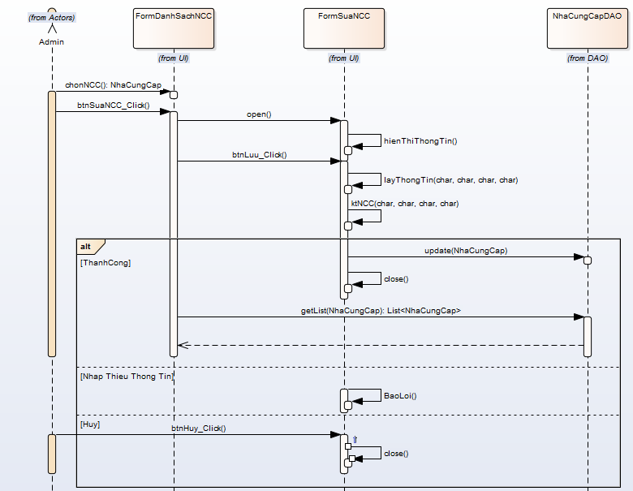

KH_HUE_L01_NguyenQuocHao_Xoa Nha Cung Cap_SequenceDiagram_v1.0

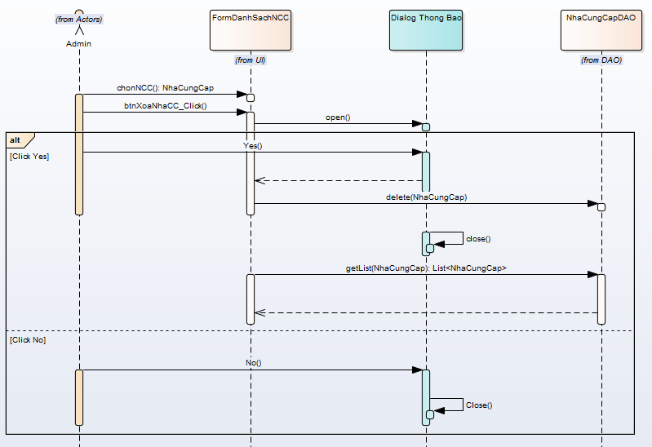

KH_HUE_L01_NguyenQuocHao_Tim Nha Cung Cap_SequenceDiagram_v1.0

